Indices

 | Iraq Stock Exchange
 | Bulletin No (195)

 | ISX Trading Indices of Thursday 30/10/2025

 | Traded Volume and OTC |  | 324,361,485 |  | Traded Value and OTC |  | 1,122,379,588 |  | Traders | 913

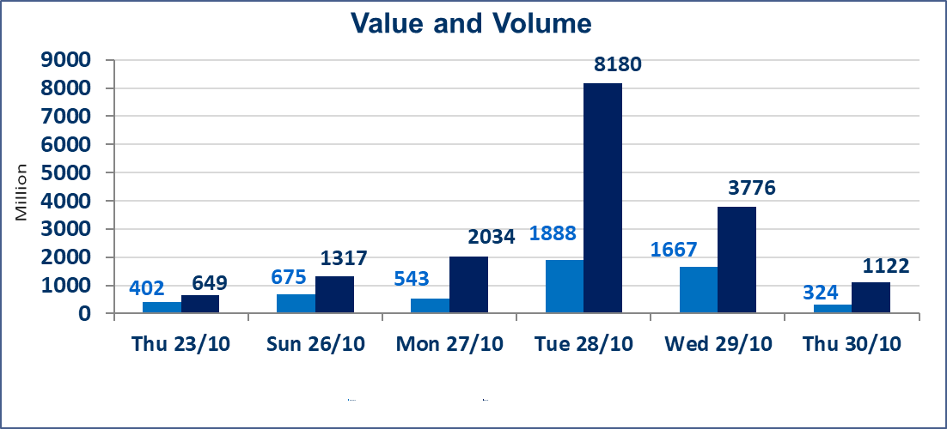
 | ISX Index 60 |  |  | 940.17 | ISX Index 15 |  |  | 1134.65
 | Previous ISX Index60 |  |  | 926.48 | Previous ISX Index15 |  |  | 1121.22
 | Change % |  |  | 1.48 | Change % |  |  | 1.20
 | Change |  |  | 13.69 | Change |  |  | 13.43

 | Listed Companies | 104 | OTC | 11 | Non Traded listed | 36 | OTC | 9
 | Traded Listed Companies | 56 | OTC | 1 | Higher Companies |  |  | 11
 | GAM Companies |  |  | 2 | Lower Companies |  |  | 17
 | Suspended Companies |  |  | 10
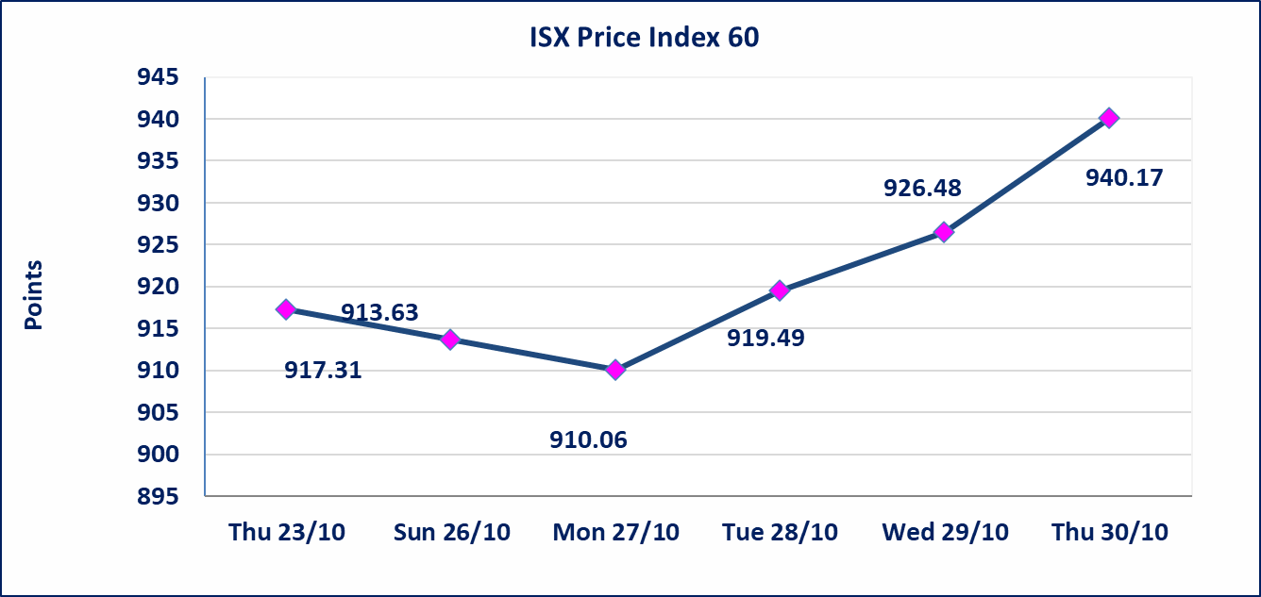
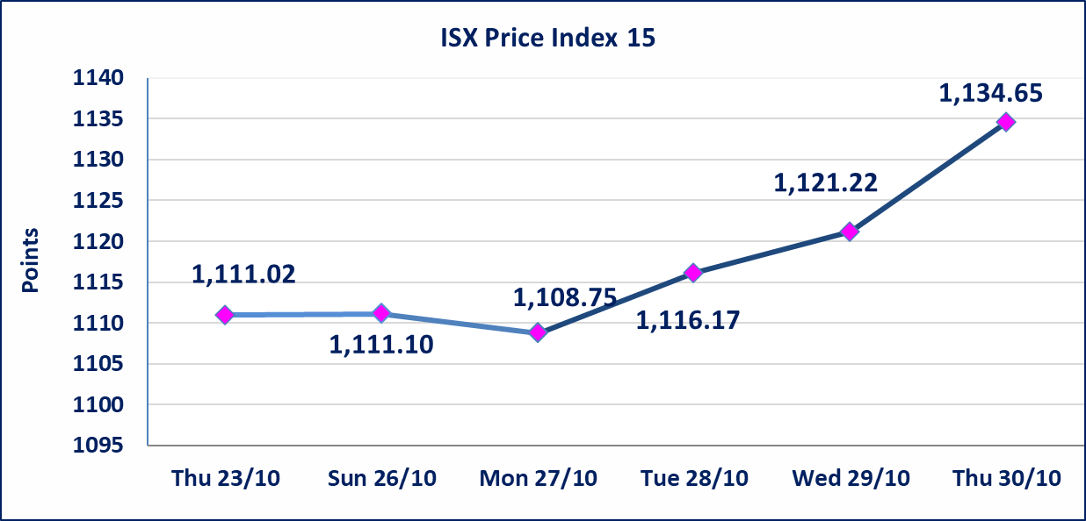

Al-Alwiya P.O . 3607 Mobile: 07711211522 - 07270094594 - 07834000034 E-mail: info-isx@isx-iq.net Web site:www.isx-iq.net

Top 5
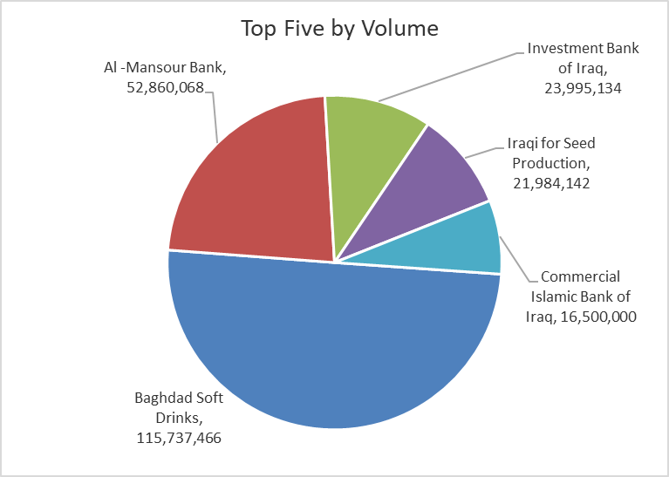
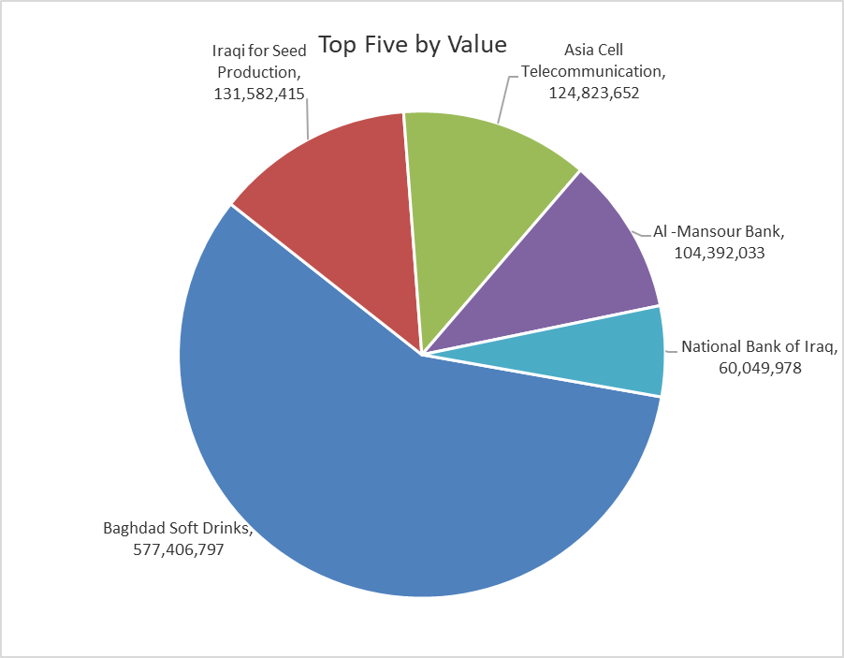
ISX top ganing and losing companies
Thursday 30/10/2025
Gainers |  |  |  | Losers
Company Name | Closing Price | Change (%) | Traded Volume | Company Name | Closing Price | Change (%) | Traded Volume
Investment Bank of Iraq | 0.230 | 15.00 | 23,995,134 | AL-Anssari Islamic Bank | 0.490 | -15.52 | 1,000,000
Baghdad Soft Drinks | 5.070 | 5.63 | 115,737,466 | Trans Iraq Bank Investment | 0.220 | -8.33 | 3,000,000
Economy Bank | 0.240 | 4.35 | 1,362,789 | Al-Kindi of Veterinary Vaccines | 2.550 | -5.56 | 507,036
Iraqi for Seed Production | 6.000 | 3.63 | 21,984,142 | Al -Khazer Construction Materials | 1.050 | -4.55 | 100,908
Gulf Insurance | 0.600 | 3.45 | 5,000 | International Islamic Bank | 0.210 | -4.55 | 25,473

The most active companies in term of traded volume and value

Traded Volume |  |  |  | Traded Value
Company Name | Closing Price | Change (%) | Traded Volume | Company Name | Closing Price | Change (%) | Traded Value
Baghdad Soft Drinks | 5.070 | 5.63 | 115,737,466 | Baghdad Soft Drinks | 5.070 | 5.63 | 577,406,797
Al -Mansour Bank | 1.980 | 0.00 | 52,860,068 | Iraqi for Seed Production | 6.000 | 3.63 | 131,582,415
Investment Bank of Iraq | 0.230 | 15.00 | 23,995,134 | Asia Cell Telecommunication | 12.110 | 0.92 | 124,823,652
Iraqi for Seed Production | 6.000 | 3.63 | 21,984,142 | Al -Mansour Bank | 1.980 | 0.00 | 104,392,033
Commercial Islamic Bank of Iraq | 0.700 | 0.00 | 16,500,000 | National Bank of Iraq | 4.260 | 1.91 | 60,049,978

Non Iraqis

Iraq Stock Exchange
Non Iraqis' Bulletin Thursday Oct 30 2025
Regular Market

Non Iraqi Trading of Regular Market (Buy)
Company Names | Code | No.of trades | Traded Shares | Trading Volume
Banks Sector
National Bank Of Iraq | BNOI | 5 | 3,100,000 | 13,191,784
Al-Mansour Bank | BMNS | 1 | 533,038 | 1,055,415
Total Bank sector |  | 6 | 3,633,038 | 14,247,199
Grand Total |  | 6 | 3,633,038 | 14,247,199

